Sheet1
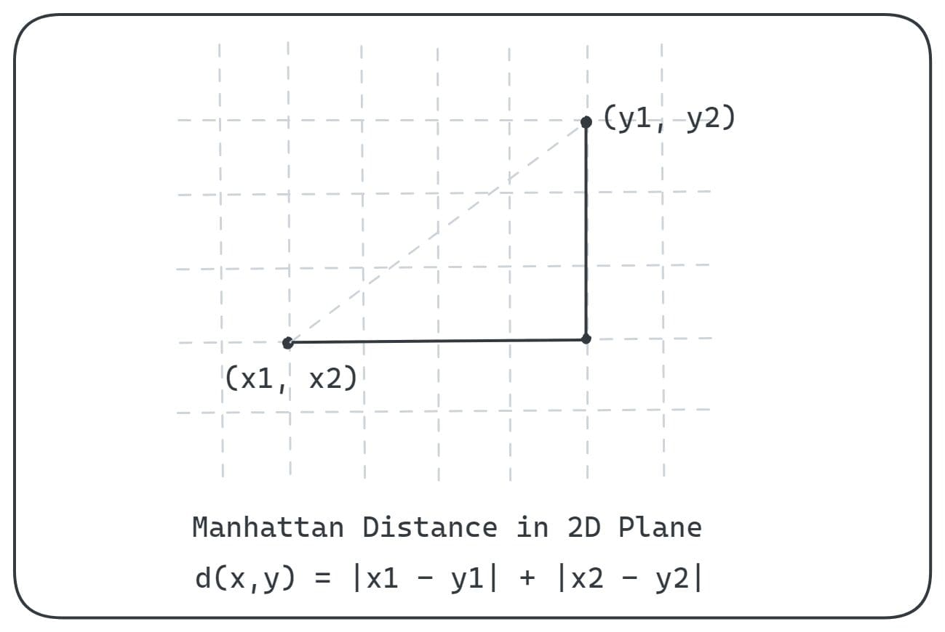
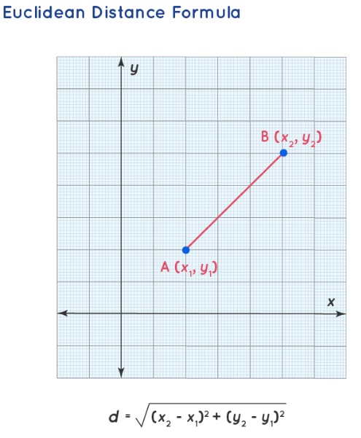
Maths | CS | Result
4 | 5 | ?

Develop a KNN Algo Model using the below data where K = 5

Maths | CS | Result | Euclidean Dist | (x2 - x1)^2 | (y2 - y1)^2 | ED | Result
4 | 3 | Fail |  | 0 | 4 | 2.0 | Fail
6 | 7 | Pass |  | 4 | 4 | 2.8 | Pass
7 | 8 | Pass |  | 9 | 9 | 4.2 | Pass
5 | 5 | Fail |  | 1 | 0 | 1.0 | Fail
8 | 8 | Pass |  | 16 | 9 | 5.0 | Pass
4 | 3 | Fail |  | 0 | 4 | 2.0 | Fail
2 | 1 | Fail |  | 4 | 16 | 4.5 | Fail
6 | 9 | Pass |  | 4 | 16 | 4.5 | Pass
4 | 3 | Fail |  | 0 | 4 | 2.0 | Fail
9 | 9 | Pass |  | 25 | 16 | 6.4 | Pass
7 | 9 | Pass |  | 9 | 16 | 5.0 | Pass
3 | 2 | Fail |  | 1 | 9 | 3.2 | Fail
6 | 6 | Pass |  | 4 | 1 | 2.2 | Pass
8 | 9 | Pass |  | 16 | 16 | 5.7 | Pass

